1.2.5 Electrical Generation
Upgrade Cost Estimate
Name: | 1.2.5 Electrical Generation
Parent WBS: | 1.2 Implementation |  | MATERIALS ESTIMATE |  |  |  |  |  |  |  |  |  |  |  |  |  |  | LABOR ESTIMATE |  |  |  |  |  |  | TOTAL | SCHEDULE INPUT
Description of Scope:
Initials/Date: | BMB/3.4.2022 |  | Quantities |  |  |  |  |  |  | Basis of Estimate (Select One, See Table Below) |  |  |  |  |  |  |  | HOURS |  |  |  |  |  |  |  |  | SCHEDULE LOGIC

WBS (if known) | Project Year (0-10) | Description | QTY | Spare | Total | Fabricate or Procure? | Procurement Details Manufacturer, Model, P/N, Vendor | Unit Price | Total Expected Price | C1 LOE Tasks | C2 Advanced | C3 Preliminary | C4 Conceptual | C5 Pre- Conceptual | C6 Rough Estimate | Cost Estimating Technique (See Table Below) | Materials Comments/Notes (procurement lead time, shipping restrictions, etc) | ENGR ($115/hr) | CAD ($81/hr) | SHOP ($77/hr) | STUDENT ($15/hr) | Total Hours | Total Hours Cost | Labor Comments/Schedule Inputs (eg. "March" or "After Microturbine running", etc) |  | Duration (Weeks) | Predecessors | Successors | Milestone | % of total
1.2.5.1 |  | Generator 1 - COMPLETE |  |  |  |  |  |  |  |  |  |  |  |  |  |  |  |  |  |  |  |  |  |  |  |  |  |  |  | 0
1.2.5.2 |  | Generators 2, 3, and PDM |  |  |  |  |  |  |  |  |  |  |  |  |  |  |  |  |  |  |  |  |  |  |  |  |  |  |  | 0
1.2.5.2.6 | 5 | GEN-1, 2, 3 - Procure Batteries | 6 |  | 6 | P | CAT 9X9730 | $333.33 | $2,000.00 |  | x |  |  |  |  | C | https://parts.cat.com/en/fabick/9X-9730 | 8 |  |  |  | 8 | $920.00 |  | $2,920 |  |  |  |  | 5
1.2.5.2.7 | 5 | Generator 2 Subcontract Repairs in New Zealand | 1 |  | 1 | P |  | $14,804.00 | $14,804.00 |  | x |  |  |  |  | C | Round trip trucking (Bascik Transport) from USAP site to Terra Cat $345 NZD plus GST- $275 USD estimated. Terra Cat quoted repair of injection pump governor shaft and electronic controller - $5229.03 USD. Estimated $6500.00 USD for diagnosis/repair/testing of alternator output issue and $2800 for structural repair of the 20' ISO shipping container that houses the power plant. Terra Cat was not willing to quote without diagnosis of alternator/structural issues. Total $14,804.03 USD. |  |  |  |  |  |  |  | $14,804 |  |  |  |  | 23
1.2.5.2.8 | 5 | PDM - Procure Batteries | 2 |  | 2 | P | Interstate 34M-AGM | $300.00 | $600.00 |  | x |  |  |  |  | C | https://www.interstatebatteries.com/products/34m-agm |  |  |  |  |  |  |  | $600 |  |  |  |  | 1
1.2.5.2.9 | 6 | Develop SOW for South Pole Power Generation Technical Support Subcontract & Communicate with Vendor |  |  |  |  |  |  |  |  |  | x |  |  |  | D |  | 40 |  |  |  | 40 | $4,600.00 | expert opinion - work with subcontractor to get generator tech on drill team | $4,600 |  |  |  |  | 7
1.2.5.2.10 | 5/6 | Predeployment Coordination with Power Generation Technical Support Subcontract Vendor |  |  |  |  |  |  |  |  |  |  | x |  |  | D |  | 80 |  |  |  | 80 | $9,200.00 | expert opinion - initiate with subcontractor to get generator tech on drill team | $9,200 |  |  |  |  | 15
1.2.5.4 |  | System Electrical Distribution |  |  |  |  |  |  |  |  |  |  |  |  |  |  |  |  |  |  |  |  |  |  |  |  |  |  |  | 0
1.2.5.4.3 | 5 | System Elec Dist: Design & Procure |  |  |  |  |  |  | $5,460.00 |  |  |  | x |  |  | D | appleton connectors. Use ACP1034 as basis of estimate. qty=12 x $455/ea = $5460. This link points to Appleton quote. | 20 |  |  |  | 20 | $2,300.00 | procure, receive and organize | $7,760 |  |  |  |  | 12
1.2.5.4.5 | 5 | System Elec Dist: Build and Test Subcomponents |  |  |  |  |  |  |  |  |  |  | x |  |  | D |  | 36 |  |  |  | 36 | $4,140.00 | labor to connectorize 480 power cables in North | $4,140 |  |  |  |  | 7
1.2.5.4.8 | 6 | System Electrical Resupply (PY6) |  |  |  |  |  |  | $5,000.00 |  |  |  | x |  |  | D | annual resupply estimate for plugs, cabling, breakers, GFI outlets, lights, space heaters | 24 |  | 24 |  | 48 | $4,608.00 | expert opinion | $9,608 |  |  |  |  | 15
1.2.5.4.10 | 7 | System Electrical Resupply (PY7) |  |  |  |  |  |  | $5,000.00 |  |  |  | x |  |  | D | annual resupply estimate for plugs, cabling, breakers, GFI outlets, lights, space heaters | 24 |  | 24 |  | 48 | $4,608.00 | expert opinion | $9,608 |  |  |  |  | 15
 |  |  |  |  |  |  |  |  |  |  |  |  |  |  |  |  |  |  |  |  |  |  |  |  |  |  |  |  |  | 0
 |  |  |  |  |  |  |  |  |  |  |  |  |  |  |  |  |  |  |  |  |  |  |  |  |  |  |  |  |  | 0

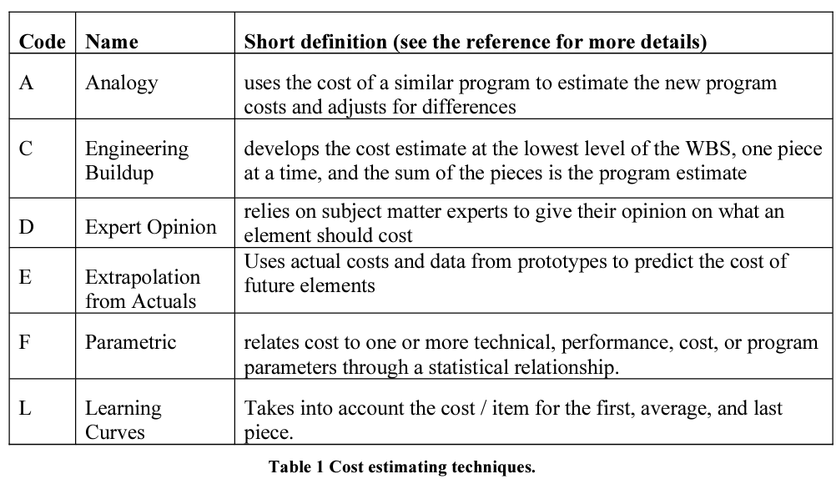
 |  |  |  |  |  |  |  |  | $32,864.00 | Total Expected Materials Cost |  |  |  |  |  |  |  | 232 | 0 | 48 | 0 | 280 | $30,376.00 | Total Hours Cost | $63,240
 |  |  |  |  |  |  |  |  |  |  |  |  |  |  |  |  |  |  |  |  |  |  |  |  |  |  | Schedule Logic Terms that can be used:
 |  |  |  |  |  |  |  |  |  |  |  |  |  |  |  |  |  |  |  |  |  |  |  |  |  |  | FS = Finish-to-Start
 |  |  |  |  |  |  |  |  |  |  |  |  |  |  |  |  |  |  |  |  |  |  |  |  |  |  | SS = Start-Start
 |  |  |  |  |  |  |  |  |  |  |  |  |  |  |  |  |  |  |  |  |  |  |  |  |  |  | FF = Finish-Finsh
 |  |  |  |  |  |  |  |  |  |  |  |  |  |  |  |  |  |  |  |  |  |  |  |  |  |  | SF = Start-to-Finish

